Vlookup
 |  |  | VLOOKUP

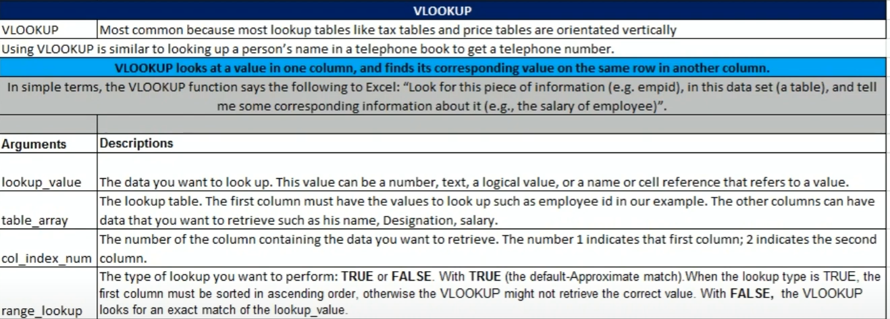

Empid | EmpName | Designation | Salary
IND1006 | vipin | Supervisor | $5,466.00
IND1003 | deepak | TL | $6,000.00
IND1005 | avinash | Analyst | $8,000.00
IND1008 | abhishek | Investor | $21,512.00
IND1010 | rahul | coordinator | $26,326.00
IND1009 | ashish | Designer | $26,596.00
IND1001 | Himanshu | manager | $30,500.00
IND1002 | Prakash | developer | $40,500.00
IND1004 | akash | MIS executive | $50,000.00
IND1007 | shubham | Developer | $578,454.00

Empid | Salary |  | exact match (0,False)
IND1006 | 5466
formula | =VLOOKUP(A42,$A$30:$D$39,4,FALSE)
 |  |  |  |  | https://www.youtube.com/watch?v=tGRV245Lw1k&list=PLmHi7ol7EPSDHiNNE4K1dZaDwWOSA0MIA&index=2
EmpName | Salary |  | exact match (0,false) |  | watch vedio to differentiate approximate and exact match
ashish | 26596
formula | =VLOOKUP(A46,B30:D39,3,0)

developer | 40500

Employee | Sales | Bonus Commision %?
Harsha Jawre | 23,500.00 | =VLOOKUP(B53,$E$53:$F$60,2,TRUE) |  | Sales | Bonust Comm %
shivam purohit | 35,500.00 | 3% |  | 0 | 0%
kapil sharma | 12,000.00 | 1% |  | 10000 | 1%
vicky kaushal | 45,450.00 | 4% |  | 20000 | 2%
aman kumar | 65,010.00 | 6% |  | 30000 | 3%
Surbhi Jain | 57,845.00 | 5% |  | 40000 | 4%
Akshat jain | 35,648.00 | 3% |  | 50000 | 5%
 |  |  |  | 60000 | 6%

Optimised VLOOKUP #N/A and IFERROR or IF
Empid | EmpName | Designation | Salary
IND1006 | vipin | Supervisor | $5,466.00
IND1003 | deepak | TL | $6,000.00
IND1005 | avinash | Analyst | $8,000.00
IND1008 | abhishek | Investor | $21,512.00
IND1010 | rahul | coordinator | $26,326.00
IND1009 | ashish | Designer | $26,596.00
IND1001 | Himanshu | manager | $30,500.00
IND1002 | Prakash | developer | $40,500.00
IND1004 | akash | MIS executive | $50,000.00
IND1007 | shubham | Developer | $578,454.00

EmpName | Salary
kk | #N/A | <<<<< this is not good to show in any official doc .. To make it optimised check below
 | Data Not Found | <<<<< this is an optimised way
 | =IFERROR(VLOOKUP(A77,B64:D73,3,FALSE),"Data Not Found")

VlookUP as a Formula Element
Product | Part Number | Unit | Price
samsung | 1000-2541 | 25 | $26.95
nokia | 1001-2542 | 26 | $26.95
moto | 1000-2542 | 47 | $26.95
oppo | 1001-2543 | 12 | $26.95
samsung | 1000-2543 | 43 | $26.95
nokia | 1001-2544 | 58 | $26.95
moto | 1000-2544 | 95 | $26.95
vivo | 1001-2545 | 58 | $26.95

Product | Units | Total
moto | 3 | 80.85
 |  | =VLOOKUP(A93,$A$82:$D$90,4,FALSE)*B93

